Sheet1
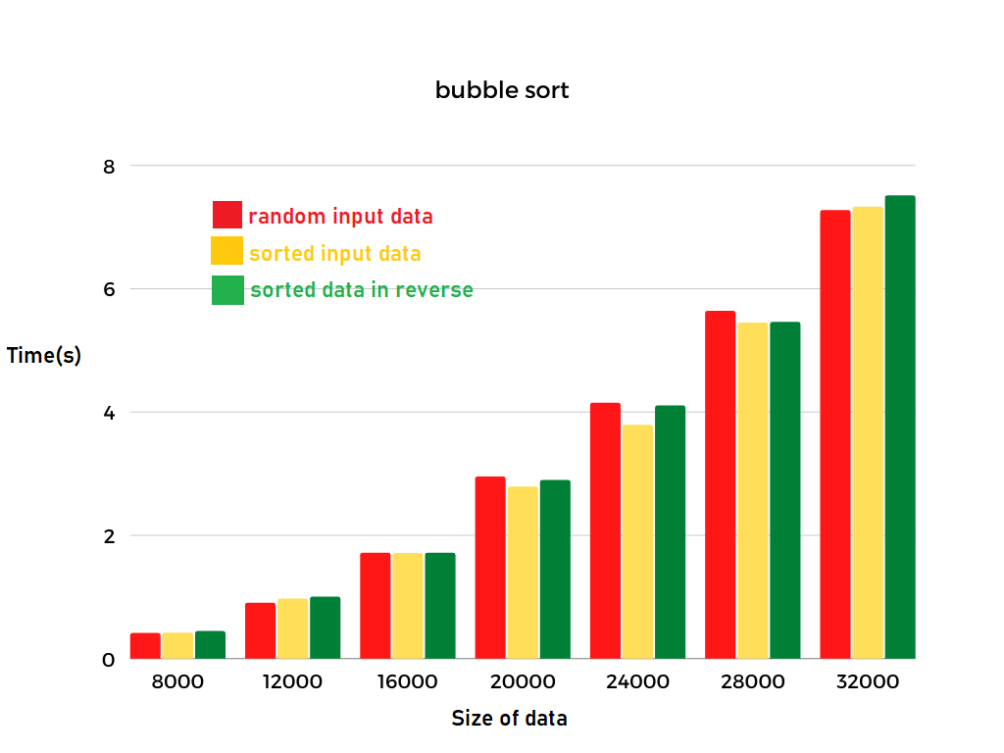
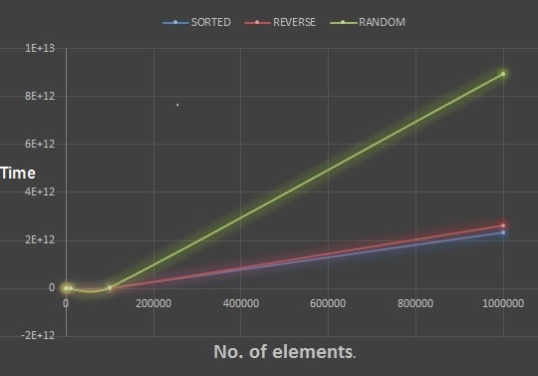
type of data\ size of data | 8000 | 12000 | 16000 | 20000 | 24000 | 28000 | 32000 | 100000
random data | 0.408s | 0.899s | 1.710s | 2.944s | 4.140s | 5.632s | 7.266s | 116.11s
Already Sorted data | 0.414s | 0.963s | 1.706s | 2.782s | 3.785s | 5.443s | 7.322s | 115.47s
Reverse Sorted data | 0.438s | 0.997s | 1.708s | 2.888s | 4.099s | 5.454s | 7.507s | 115.74s

